GRI 403 (Health & Safety)
GRI 403 - Occupational Health & Safety
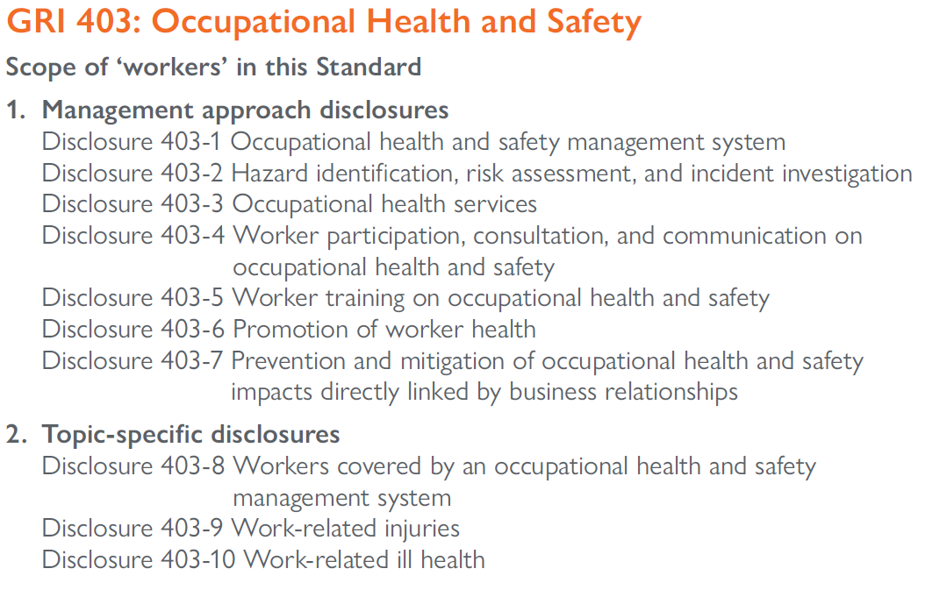

GRI 403-1 | 2020
Occupational health and safety management system | Disclosure
Does mine have formal H & S Committee with labour and management representation | A formal committee has not been formed at this time, however, each department holds daily, pre-shift meetings with crew members and all departments participate in a weekly safety meeting. Items discussed include near misses, site incidents, new or existing hazards, contractor/consultant activity onsite, suggestions for improvements and a predetermined H&S topic. These topics may be new/refresher training on site policies and procedures, industry related incident reviews and other pertenant information as it relates to local and site conditions and tasks being performed.
What proportion of workforce is represented in the H&S committee | All employees participate in the above mentioned safety meetings

GRI 403-2 | 2020
Hazard identification, risk assessment, and incident investigation | Disclosure
How the organization ensures the quality of these processes, including the competency of persons who carry them out | Field Level Risk Assesment, including the Risk Matrix is introduced and covered as a topic during safety meetings. In preparation for new equipment, processes or installations, work procedures are discussed in relation to the heirarchy of controls. A permit to work system for high risk tasks (working at heights, hot work, excavations & confined spaces) is being used. Pre-task hazard analysis for new or non-routine tasks is also being used. These programs are implemented on the front-line supervisor level.
How the results of these processes are used to evaluate and continually improve the occupational health and safety management system | Results may highlight best practices and/or deficencies which are used to improve training, change processes or equipment etc; employee input is essential in evaluating these systems.
A description of the processes for workers to report work-related hazards and hazardous situations, and an explanation of how workers are protected against reprisals | Workers can report near misses or hazard concerns both formally through the use of our Incident Report form or informally as part of a discussion during safety meetings or individually with the site manager, supervisors or the H&S coordinator. For incidents involving injury, illness, property damage, or high potential incidents, supervisors are to ensure that the appropriate personnel complete the Incident Report form. Site policy states that anyone can stop their work or the work of others if they feel behaviors or conditions are unsafe without fear of reprimand. It is a right and responsibiliy.
A description of the policies and processes for workers to remove themselves from work situations that they believe could cause injury or ill health, and an explanation of how workers are protected against reprisals | Site policy described above empowers all workers to take owernership of their safety and the safety of others, including stopping work without the fear off being reprimanded. In addition, worker inspections (i.e. equipment pre-ops and workplace inspections), work permits (i.e. confined space entry) or pre-task hazard analysis that indentify safety hazards or defects are desiged to prevent work from conmmencing until said hazards are addressed. For example, a pre-op inspection indentying poor brake function in a vehicle signals to the worker that the unit shall be tagged out of service until the issue is resolved.
A description of the processes used to investigate work-related incidents, including the processes to identify hazards and assess risks relating to the incidents, to determine corrective actions using the hierarchy of controls, and to determine improvements needed in the occupational health and safety management system. | Incident reporting and incident investigation policy outlines the procedures and responsibilities following a work-related incident. Emergency Response Coordinator makes initial evaluation, ensures appropriate measures are take to provide needed medical attention and secure the scene to both preserve evidence and prevent further harm. ERC also notifies appropriate personel as identified on the Notification Tree. Reporting is to be completed as soon as possible by those involved, including witnesses, and signed by the supervisor. Supervisor, H&S coordinator and/or site manager evaulates cause of the incident, including immediate and root causes. Immediate remedial actions are taken and recommendations for corrective actions are made follwing a timely investigation. Closing the loop on corrective actions is documented on the report.

GRI 403-3 | 2020
Occupational health services | Disclosure
A description of the occupational health services’ functions that contribute to the identification and elimination of hazards and minimization of risks | n/a
Explanation of how the organization ensures the quality of these services and facilitates workers’ access to them. | n/a

1.3 The reporting organization should report the following additional information:
1.3.1 How the organization maintains the confidentiality of workers’ personal health-related information;
1.3.2 How the organization ensures that workers’ personal health-related information and their participation in any occupational health services is not used for any favorable or unfavorable treatment of workers.

GRI 403-4 | 2020
Worker participation, consultation, and communication on occupational health and safety | Disclosure
A description of the processes for worker participation and consultation in the development Implementation and evaluation of the occupational health and safety management system, and for providing access to and communicating relevant information on occupational health and safety to workers. | Open door policy applies to all workers to discuss health and safety concerns with supervisors, H&S coordinator and/or site manager. All workers participate in daily and weekly meetings to discuss safety concerns and suggestions and receive training and information.
Where formal joint management–worker health and safety committees exist, a description of their responsibilities, meeting frequency, decision-making authority whether and, if so, why any workers are not represented by these committees | No formal committee exists at this time.

1.4 The reporting organization should report whether and, if so, which occupational health and safety topics are covered in local or global formal agreements with trade unions.

GRI 403-5 | 2020
Worker training on occupational health and safety | Disclosure
The reporting organization shall report the following information for employees and for workers who are not employees but whose work and/or workplace is controlled by the organization: | not reported
a. A description of any occupational health and safety training provided to workers, including generic training as well as training on specific work-related hazards, hazardous activities, or hazardous situations. | Site hazard orientation training for new employees, contractors, consultants, visitors and vendors; task specific training (equipment/tool operation) hazard communication training (workplace chemicals); first aid/CPR, ATV training (ASI course) forklift training (OSHA), MSHA new miner and refresher training; fire prevention and fire extinguisher use; Lock Out/Tag Out/Try Out procedures; permit to work (hot work, confined space, working at heights, excavation and trenching) bridge crane training and inspection; daily and weekly safety meeting H&S topics

GRI 403-6 | 2020
Promotion of worker health | Disclosure
An explanation of how the organization facilitates workers’ access to non-occupational medical and healthcare services, and the scope of access provided | No formal policy exists, however the Company is working to create one
A description of any voluntary health promotion services and programs offered to workers to address major non-work-related health risks, including specific health risks addressed how the organization facilitates workers’ access to these services and programs | not reported

1.5 The reporting organization should report the following additional information:
1.5.1 How the organization maintains the confidentiality of workers’ personal health-related information;
1.5.2 How the organization ensures that workers’ personal health-related information and their participation in any services or programs is not used for any favorable or unfavorable treatment of workers.

GRI 403-7 | 2020
Prevention and mitigation of occupational health and safety impacts directly linked by business relationships | Disclosure
A description of the organization’s approach to preventing or mitigating significant negative occupational health and safety impacts that are directly linked to its operations products or services by its business relationships, and the related hazards and risks | not reported

GRI 403-8 | 2020
Workers covered by an occupational health and safety management System | Disclosure
Percentage of all employees and workers who are not employees but whose work and/or workplace is controlled by the organization, who are covered by such a system | In general, our safety plan applies to anyone performing work onsite, whether as an employee (regardless of status), a contractor or consultant. In 2020, an average of 19 employees and 32 contractors worked onsite. Consultants and contractors may submit their own safety plans; DMC policies are the minimum standard.
Number of all employees and workers who are not employees but whose work and/or workplace is controlled by the organization, who are covered by such a system | not reported
Number of all workers and employees | not reported
Percentage of all employees and workers who are not employees but whose work and/or workplace is controlled by the organization, who are covered by such a system that has been internally audited | not reported
Number of all employees and workers who are not employees but whose work and/or workplace is controlled by the organization, who are covered by such a system that has been internally audited | not reported
Percentage of all employees and workers who are not employees but whose work and/or workplace is controlled by the organization, who are covered by such a system that has been audited or certified by an external party. | not reported
Number of all employees and workers who are not employees but whose work and/or workplace is controlled by the organization, who are covered by such a system that has been audited or certified by an external party. | not reported
Whether and, if so, why any workers have been excluded from this disclosure, including the types of worker excluded. Any contextual information necessary to understand how. | not reported

GRI 403-9 | 2020
Work-related injuries | Disclosure
For all employees:
i. The number and rate of fatalities as a result of work-related injury; | 0
ii. The number and rate of high-consequence work-related injuries (excluding fatalities); | 0
iii. The number and rate of recordable work-related injuries; | 0
iv. The main types of work-related injury; | NA
v. The number of hours worked. | 32783
For all workers who are not employees but whose work and/or workplace is controlled by the organization:
i. The number and rate of fatalities as a result of work-related injury; | 0
ii. The number and rate of high-consequence work-related injuries (excluding fatalities); | not reported
iii. The number and rate of recordable work-related injuries; | not reported
iv. The main types of work-related injury; | not reported
v. The number of hours worked. | not reported
The work-related hazards that pose a risk of high-consequence injury, including:
i. how these hazards have been determined; | not reported
ii. which of these hazards have caused or contributed to high-consequence injuries during the reporting period; | not reported
iii. actions taken or underway to eliminate these hazards and minimize risks using the hierarchy of controls. | not reported
Any actions taken or underway to eliminate other work-related hazards and minimize risks using the hierarchy of controls.
e. Whether the rates have been calculated based on 200,000 or 1,000,000 hours worked. | not reported
f. Whether and, if so, why any workers have been excluded from this disclosure, including the types of worker excluded. | not reported
g. Any contextual information necessary to understand how the data have been compiled, such as any standards, methodologies, and assumptions used. | not reported

2.1 When compiling the information specified in Disclosure 403-9, the reporting organization shall:
2.1.1 exclude fatalities in the calculation of the number and rate of high-consequence work- related injuries;
2.1.2 include fatalities as a result of work-related injury in the calculation of the number and rate of recordable work-related injuries;
2.1.3 include injuries as a result of commuting incidents only where the transport has been organized by the organization;
2.1.4 calculate the rates based on either 200,000 or 1,000,000 hours worked, using the following formulas:
rate of fatalities as a result of work-related injury = number of fatalities as a rest of work-related injury / number of hours worked x (200,000 or 1,000,000)
rate of high-consequence work-related injuries (excluding fatalities) = number of high-consequence work-related injuries (exluding fatalities / number of hours worked x (200,000 or 1,000,000)
rate of recordable work-related injuries = number of recordable work-related injuries / number of hours worked x (200,000 or 1,000,000)
2.2 The reporting organization should report the following additional information:
2.2.1 If the numbers and rates reported are significantly higher for certain types of injury, countries, business lines, or workers’ demographics (e.g., sex, gender, migrant status, age, or worker type), a breakdown of these data;
2.2.2 A breakdown of the number of recordable work-related injuries by type of incident;
2.2.3 If chemical hazards have been identified in Disclosure 403-9-c, a list of the chemicals;
2.2.4 The number of high-potential work-related incidents identified;
2.2.5 The number of close calls identified.

GRI 403-10 | 2020
Work-related ill health | Disclosure
For all employees:
i. The number of fatalities as a result of work-related ill health; | 0
ii. The number of cases of recordable work-related ill health; | 0
iii. The main types of work-related ill health. | NA
For all workers who are not employees but whose work and/or workplace is controlled by the organization:
i. The number of fatalities as a result of work-related ill health; | 0
ii. The number of cases of recordable work-related ill health; | 0
iii. The main types of work-related ill health | 0
The work-related hazards that pose a risk of ill health, including:
i. how these hazards have been determined; | not reported
ii. which of these hazards have caused or contributed to cases of ill health during the reporting period; | not reported
iii. actions taken or underway to eliminate these hazards and minimize risks using the hierarchy of controls. | not reported
Whether and, if so, why any workers have been excluded from this disclosure, including the types of worker excluded. | not reported
Any contextual information necessary to understand how the data have been compiled, such as any standards, methodologies, and assumptions used. | not reported

2.3 When compiling the information specified in Disclosure 403-10, the reporting organization shall include fatalities as a result of work-related ill health in the calculation of the number of cases of recordable work-related ill health.
2.4 The reporting organization should report the following additional information:
2.4.1 If the numbers reported are significantly higher for certain types of ill health, countries, business lines, or workers’ demographics (e.g., sex, gender, migrant status, age, or worker type), a breakdown of these data;
2.4.2 If chemical hazards have been identified in Disclosure 403-10-c, a list of the chemicals;
2.4.3 The number of employees and workers who are not employees but whose work and/or workplace is controlled by the organization, exposed to each hazard identified in Disclosure 403-10-c.

