Tables & Graphs
GRI 102-8

a. Total number of employees by employment contract (permanent and temporary), by gender.

 | Permanent |  | Temporary
 | Male | Female | Male | Female
Employees | 32 | 19 | 1 | 2

b. Total number of employees by employment contract (permanent and temporary), by region.

 | Permanent |  | Temporary
 | Male | Female | Male | Female
Head Office (Vancouver) - Canada | 4 | 4 | 0 | 0
Denver (Colorado) - United States | 1 | 0 | 0 | 0
DeLamar Site (Jordan Valley, Idaho) - United States | 20 | 11 | 2 | 1
Boise (Idaho) - United States | 3 | 3 | 0 | 0
Coeur d'Alene (Idaho) - United States | 1 | 0 | 0 | 0
Waterville (Maine) - United States | 1 | 0 | 0 | 0
Seattle (Washington) - United States | 0 | 1 | 0 | 0
Reno (Nevada) - United States | 1 | 0 | 0 | 0
Salt Lake City (Utah) - United States | 1 | 0 | 0 | 0

c. Total number of employees by employment type (full-time and part-time), by gender.

 | Full-Time |  | Part-Time |  | Total
 | Male | Female | Male | Female
Head Office (Vancouver) - Canada | 3 | 4 | 1 | 0 | 8
Denver (Colorado) - United States | 1 | 0 | 0 | 0 | 1
DeLamar Site (Jordan Valley, Idaho) - United States | 21 | 8 | 1 | 4 | 34
Boise (Idaho) - United States | 3 | 3 | 0 | 0 | 6
Coeur d'Alene (Idaho) - United States | 1 | 0 | 0 | 0 | 1
Waterville (Maine) - United States | 1 | 0 | 0 | 0 | 1
Seattle (Washington) - United States | 0 | 1 | 0 | 0 | 1
Reno (Nevada) - United States | 1 | 0 | 0 | 0 | 1
Salt Lake City (Utah) - United States | 1 | 0 | 0 | 0 | 1
Total | 32 | 16 | 2 | 4 | 54

GRI 102-16

· Our Values
o Integrity
§ Doing the right thing and holding ourselves accountable.
§ We take ownership in our actions, every day, and are committed to transparency, courageous honesty, and ethical behavior.
§ Integrity is in our name. It means we commit ourselves to doing right by others – building trust in our operations and behaviors through transparency & accountability.
o Care
§ Acting with a sense of responsibility for our employees, neighbors, local communities, our shared environment, and the world around us.
§ We look out for one another, treat each other fairly and with respect, and ensure a safe return home for our people. We are all part of something bigger.
§ Being good people is doing good business.
o Innovation
§ Leading a new generation of mining companies, guided by our conviction to be creative and find new solutions to traditional challenges.
§ We demand a diversity of perspectives to unlock value across the mining industry, and we are continuously improving to deliver beyond what is expected of us.
§ Raise the bar.

GRI 102-22

iv. number of each individual’s other significant positions and commitments, and the nature of the commitments;

Name | Full-Time Position |  |  |  | Other Boards
Stephen de Jong | CEO of VRIFY Technology |  |  |  | Sun Peak Metals Corp.
David Awram | Senior EVP of Sandstorm Gold Ltd. |  |  |  | Sandstorm Gold Ltd. , Sun Peak Metals Corp., Pucara Gold Ltd.
Timo Jauristo | Mining professional / Corporate Director
George Salamis | President, CEO of Integra Resources Corp. |  |  |  | Contact Gold Corp., Newcore Gold Ltd., Edgewater Exploration
Anna Ladd-Kruger | CFO of McEwen Mining Inc. |  |  |  | Excellon Resources Inc.
C.L. “Butch” Otter | Businessman / Former Governor |  |  |  | Electra Battery Materials Corporation
Carolyn Clark Loder | Mining professional / Corporate Director |  |  |  | K2 Gold Corp.

vii. competencies relating to economic, environmental, and social topics;

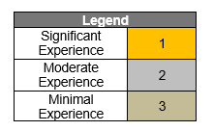
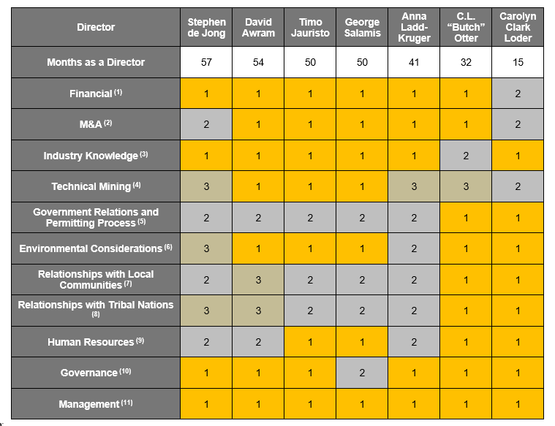

Notes:
(1) Ability to understand: (i) financial statements; (ii) financial controls and measures; (iii) capital markets; and (iv) financing options.
(2) Understanding of: (i) capital markets in friendly and unfriendly transactions; (ii) complexity of integration post-business continuation; and (iii) general legal requirements in mergers and acquisitions (“M&A”).
(3) Understanding of the mining industry globally and the associated risks (including price and currency volatility, future growth, global supply, capital access, social license to operate and productivity).
(4) Understanding of: (i) exploration activities; (ii) geology; and (iii) project development.
(5) Understanding of: (i) legislative and decision-making process of governments; and (ii) experience in dealing with governments (policy making, lobbying, etc.) and (iii) understanding of permitting process for a mining project.
(6) Understanding of: (i) environmental risks in the mining industry; (ii) government regulations with respect to the environment and iii) potential risks and impacts of climate change on the Corporation’s mining project.
(7) Understanding of and experience in community relations and stakeholder involvement.
(8) Understanding of and experience with tribal nations.
(9) Ability to: (i) review management structure for small-to-mid size organizations; (ii) develop/assess/monitor remuneration packages (salary, benefits, long-term and short-term incentives); and (iii) understand how to motivate people.
(10) Understanding of: (i) the requirements/process for oversight of Management; (ii) ethical conduct and responsibilities; (iii) various stakeholder requirements; (iv) commitment of directorship; and (v) evolving trends with respect to governance of public companies.
(11) Ability to: (i) plan, operate and control various activities of a business; (ii) experience as a senior officer; and (iii) lead growth.

GRI 102-38

Table 1 - Cash compensation: Salary + Cash Bonus

All numbers in US$
 | Canada | US | Combined | Comment
Highest paid individual | CEO | COO | CEO
Compensation of highest paid individual | $498,748 | $349,222 | $498,748 | Cash compensation: annual salary + cash bonus
Annual total compensation for all employees (excluding the highest-paid individual) | $1,033,221 | $3,898,415 | $5,280,858 | Cash compensation: annual salary + cash bonus
Median annual total compensation for all employees (excluding the highest-paid individual) | $122,041 | $83,622 | $93,054
Ratio of the annual total compensation for the organization’s highest-paid individual in each country of significant operations to the median annual total compensation for all employees (excluding the highest-paid individual) in the same country. | 4.1x | 4.2x | 5.4x

Table 2 - Total direct compensation: Salary + Cash Bonus + RSUs + Options

All numbers in US$
 | Canada | US | Combined | Comment
Highest paid individual | CEO | COO | CEO
Compensation of highest paid individual | $695,545 | $447,621 | $695,545 | Total compensation: annual salary + cash bonus + RSUs + Options
Annual total compensation for all employees (excluding the highest-paid individual) | $1,394,612 | $4,435,049 | $6,277,282 | Total compensation: annual salary + cash bonus + RSUs + Options
Median annual total compensation for all employees (excluding the highest-paid individual) | $158,450 | $89,917 | $103,407
Ratio of the annual total compensation for the organization’s highest-paid individual in each country of significant operations to the median annual total compensation for all employees (excluding the highest-paid individual) in the same country. | 4.4x | 5.0x | 6.7x

GRI 102-(40-44)

Stakeholder Engagement Events by Category
 | Local Resident | Employee | Local Business | Agency | e-NGO | Government/Elected Official | Civic/Non-profit Org | Tribal Nation/representative | Rancher | School/University | Consultant | Other
 | 13 | 10 | 4 | 3 | 2 | 2 | 19 | 2 | 1 | 3 | 1 | 9

GRI 102 Governance (18-39)
GRI 102-18 to GRI 102-39- Governance
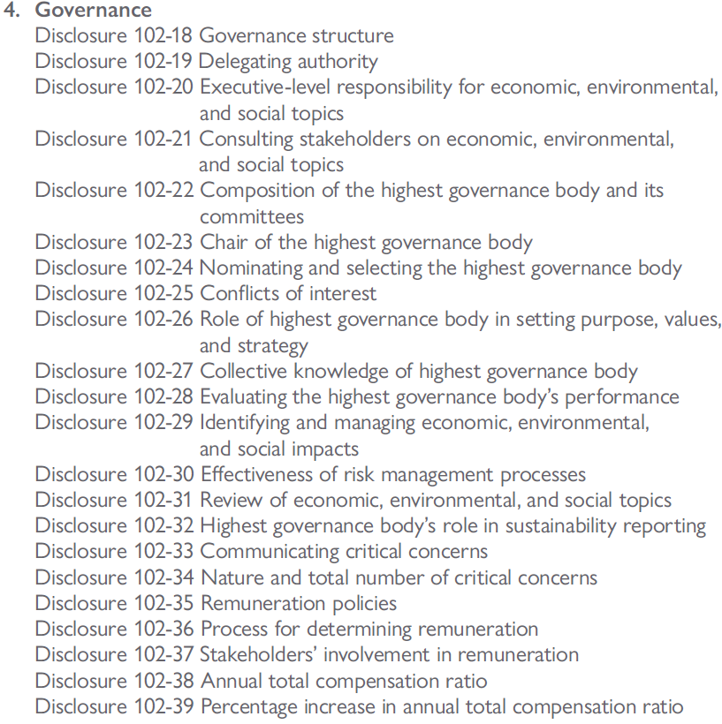

GRI 102-18 | 2021
Governance structure | Disclosure
a. Governance structure of the organization, including committees of the highest governance body. | Highest Governance Body: Board of Directors Standing commitees of the Board of Directors up to December 16th, 2022 were: Audit Committee Human Resources and Compensation Committee Nomination and Corporate Governance Committee Technical, Safety, Environment and Sustainability Committee Standing committees of the Board of Directors after December 16th, 2022 are: Audit Committee Compensation Committee Nomination and Corporate Governance Committee Technical and Safety Committee Enivronment, Social, Governance Committee
b. Committees responsible for decision-making on economic, environmental, and social topics | Audit Committee Human Resources and Compensation Committee Nomination and Corporate Governance Committee Technical, Safety, Environment and Sustainability Committee

GRI 102-19 | 2021
Delegating authority | Disclosure
Process for delegating authority for economic, environmental, and social topics from the highest governance body to senior executives and other employees. | not reported

GRI 102-20 | 2021
Executive-level responsibility for economic, environmental, and social topics | Disclosure
a. Whether the organization has appointed an executive-level position or positions with responsibility for economic, environmental, and social topics. | The Company has a CEO, CFO, COO, VP Exploration, EVP Corp Dev and VP Corporate Affairs and Sustainability. All have responsibility for economic, environmental, and social topics. The CFO has a direct oversight over governance, human resources and economic matters, the COO has a direct oversight over environmental matters and the VP Corporate Affairs and Sustainability has a direct oversight over community/stakeholders matters.
b. Whether post holders report directly to the highest governance body | The CEO reports directly to the Board. The CFO, COO, VP Exploration, EVP Corp Dev and VP Corporate Affairs and Sustainability have regular interactions with the Board, but direct report to the CEO

GRI 102-21 | 2021
Consulting stakeholders on economic, environmental, and social topics | Disclosure
a. Processes for consultation between stakeholders and the highest governance body on economic, environmental, and social topics. | The VP Corporate Affairs and Sustainability oversees all consultation between the Company and Stakeholders. The VP Corporate Affairs and Sustainability reports to the CEO, who reports directly to the Board. The VP Corporate Affairs & Sustainability also regularly interacts with the Board on these matters.
b. If consultation is delegated, describe to whom it is delegated and how the resulting feedback is provided to the highest governance body. | not reported

GRI 102-22 | 2021
Composition of the highest governance body and its committees | Disclosure
Composition of the highest governance body and its committees by:
i. executive or non-executive; | 6 non-executive directors 1 executive director
ii. independence; | 6 independent directors 1 non-independent director
iii. tenure on the governance body; | Tenure between 57 months and 15 months
iv. number of each individual’s other significant positions and commitments, and the nature of the commitments; | See table 102-22
v. gender; | 2 women (29%) 5 men (71%)
vi. membership of under-represented social groups; | 1 Board member of visible minority
vii. competencies relating to economic, environmental, and social topics; | See table 102-22
viii. stakeholder representation. | None

GRI 102-23 | 2021
Chair of the highest governance body | Disclosure
a. Whether the chair of the highest governance body is also an executive officer in the organization | The Chair of the Board is not an executive of the Company, and is considered Independent
b. If the chair is also an executive officer, describe his or her function within the organization’s management and the reasons for this arrangement | n/a

GRI 102-24 | 2021
Nominating and selecting the highest governance body | Disclosure
a. Nomination and selection processes for the highest governance body and its committees | Annual review of required Board skills in order to identify if any skill gaps. Candidates selected by Nomination Committee and approved by the Board. Annual approval of Directors at the Company's AGM
b. Criteria used for nominating and selecting highest governance body members, including whether and how:
stakeholders (including shareholders) are involved; | No
diversity is considered; | Yes - as per the Company's Diversity Policy
independence is considered; | Yes. The Company's preference is to have independent directors. All standing committees are comprised of at least 3 independent directors
expertise and experience relating to economic, environmental, and social topics are considered. | Annual review of skills matrix against directors expertise and experience helps the Board to identify skill gaps

GRI 102-25 | 2021
Conflicts of interest | Disclosure
a. Processes for the highest governance body to ensure conflicts of interest are avoided and managed | Full disclosure in Corporation's public documents
b. Whether conflicts of interest are disclosed to stakeholders, including, as a minimum:
i. Cross-board membership; | Disclosed in Management Information Circular
ii. Cross-shareholding with suppliers and other stakeholders; | Not applicable
iii. Existence of controlling shareholder; | Disclosed in Management Information Circular
iv. Related party disclosures | Disclosed in Quarterly Financials and Management Discussion & Analysis

4.1 When compiling the information specified in Disclosure 102-25, the reporting organization should align the definition of controlling shareholder to the definition used for the purpose of the organization’s consolidated financial statements or equivalent documents.

GRI 102-26 | 2021
Role of highest governance body in setting purpose, values, and strategy | Disclosure
Highest governance body’s and senior executives’ roles in the development, approval, and updating of the organization’s purpose, value or mission statements, strategies, policies, and goals related to economic, environmental, and social topics | 100% of Integra employees were involved in the development of Integra's core values, which were then ratified by the Board of Directors in 2021

GRI 102-27 | 2021
Collective knowledge of highest governance body | Disclosure
Measures taken to develop and enhance the highest governance body’s collective knowledge of economic, environmental, and social topics | Annual ongoing board education on relevant topics

GRI 102-28 | 2021
Evaluating the highest governance body’s performance | Disclosure
a. Processes for evaluating the highest governance body’s performance with respect to governance of economic, environmental, and social topics. | Annual Board Assessment (Written Questionnaire + Interview with Chairman)
b. Whether such evaluation is independent or not, and its frequency. | Performed annually, on a confidential basis
c. Whether such evaluation is a self-assessment. | Yes
d. Actions taken in response to evaluation of the highest governance body’s performance with respect to governance of economic, environmental, and social topics, including, as a minimum, changes in membership and organizational practice | not reported

GRI 102-29 | 2021
Identifying and managing economic, environmental, and social impacts | Disclosure
a. Highest governance body’s role in identifying and managing economic, environmental, and social topics and their impacts, risks, and opportunities – including its role in the implementation of due diligence processes | not reported
b. Whether stakeholder consultation is used to support the highest governance body’s identification and management of economic, environmental, and social topics and their impacts, risks, and opportunities | not reported

GRI 102-30 | 2021
Effectiveness of risk management processes | Disclosure
Highest governance body’s role in reviewing the effectiveness of the organization’s risk management processes for economic, environmental, and social topics | Annual review and discussion of Management's risk assessment

GRI 102-31 | 2021
Review of economic, environmental, and social topics | Disclosure
Frequency of the highest governance body’s review of economic, environmental, and social topics and their impacts, risks, and opportunities | The Board meets a minimum of 4 times per year, economic, environmental, and social topics are discussed at all meetings.

GRI 102-32 | 2021
Highest governance body’s role in sustainability reporting | Disclosure
The highest committee or position that formally reviews and approves the organization’s sustainability report and ensures that all material topics are covered | Board of Directors

GRI 102-33 | 2021
Communicating critical concerns | Disclosure
Process for communicating critical concerns to the highest governance body | Refer to Whistle Blower Policy

GRI 102-34 | 2021
Nature and total number of critical concerns | Disclosure
Total number of concerns | None
Nature of concerns | Not applicable
Mechanism(s) used to address and resolve critical concerns. | Not applicable

GRI 102-35 | 2021
Remuneration policies | Disclosure
a. Remuneration policies for the highest governance body and senior executives for the following types of remuneration:
i. Fixed pay and variable pay, including performance-based pay, equity-based pay, bonuses, and deferred or vested shares; | Board of Director: Monthly retainer, Chair retainer and Annual Option/DSU Grant Executives: Base salary, performanced-based annual cash bonus (Short-term incentive), annual grant of options and RSUs (long-term incentives) Discussion on Long-term performance: Meaningful portion of total compensation from long-term incentives such as options and RSUs to align executives/directors with long-term value creation
ii. Sign-on bonuses or recruitment incentive payments; | No Sign-on bonuses or recruitment incentive payments
iii. Termination payments; | No CoC for Directors. Executives: 2x Salary + 2x Bonus. Other employees CoC between 0x to 1x Salary + Bonus
iv. Clawbacks; | Yes- Clawback Policy in place (approved in 2021)
v. Retirement benefits, including the difference between benefit schemes and contribution rates for the highest governance body, senior executives, and all other employees. | None
b. How performance criteria in the remuneration policies relate to the highest governance body’s and senior executives’ objectives for economic, environmental, and social topics. | ESG included in executives' KPIs/objectives

4.2 When compiling the information specified in Disclosure 102-35, the reporting organization should, if performance-related pay is used, describe:
4.2.1 how remuneration and incentive-related pay for senior executives are designed to reward longer-term performance;
4.2.2 how performance criteria in the remuneration policies relate to the highest governance body’s and senior executives’ objectives for economic, environmental, and social topics for the reporting period and the period ahead.
4.3 When compiling the information specified in Disclosure 102-35, the reporting organization should, if termination payments are used, explain whether:
4.3.1 notice periods for governance body members and senior executives are different from those for other employees;
4.3.2 termination payments for governance body members and senior executives are different from those for other employees;
4.3.3 any payments other than those related to the notice period are paid to departing governance body members and senior executives;
4.3.4 any mitigation clauses are included in the termination arrangements.

GRI 102-36 | 2021
Process for determining remuneration | Disclosure
Process for determining remuneration.
b. Whether remuneration consultants are involved in determining remuneration and whether they are independent of management. | Consultants were not engaged in 2021 to complete the review. However, remuneration consultants were engaged in 2020 to complete a review of executive and director compensation.
c. Any other relationships that the remuneration consultants have with the organization | None

GRI 102-37 | 2021
Stakeholders’ involvement in remuneration | Disclosure
How stakeholders’ views are sought and taken into account regarding remuneration | The Company does not have a "Say on Pay" policy at this time. However, Officers and Directors total compensation, compensation strategy, and renumeration process are disclosued to shareholders in the Company's Management Information Circular, and shareholders have the oppurnity to vote FOR or AGAINST the chair of the compensation committeee
If applicable, the results of votes on remuneration policies and proposals | n/a

GRI 102-38 | 2021
Annual total compensation ratio | Disclosure
Compensation of highest paid individual | See tables 102-38 (Table 1 = Cash Compensation, Table 2 = Total Compensation)
Annual total compensation for all employees (excluding the highest-paid individual) | See tables 102-38 (Table 1 = Cash Compensation, Table 2 = Total Compensation)
Median annual total compensation for all employees (excluding the highest-paid individual) | See tables 102-38 (Table 1 = Cash Compensation, Table 2 = Total Compensation)
Ratio of the annual total compensation for the organization’s highest-paid individual in each country of significant operations to the median annual total compensation for all employees (excluding the highest-paid individual) in the same country. | See tables 102-38 (Table 1 = Cash Compensation, Table 2 = Total Compensation)

When compiling the information specified in Disclosure 102-38, the reporting organization shall, for each country of significant operations:
4.4.1 identify the highest-paid individual for the reporting period, as defined by total compensation; CEO (Canada) / COO (US)
4.4.2 calculate the median annual total compensation for all employees, except the highest- paid individual;
4.4.3 calculate the ratio of the annual total compensation of the highest-paid individual to the median annual total compensation for all employees.
4.5 When compiling the information specified in Disclosure 102-38, the reporting organization should:
4.5.1 for each country of significant operations, define and report the composition of the annual total compensation for the highest-paid individual and for all employees as follows:
4.5.1.1 List types of compensation included in the calculation; Used total direct compensation: Annual salary/Wage + Cash bonus + RSUs + Options
4.5.1.2 Specify whether full-time and part-time employees are included in this calculation; Full-time employees only
4.5.1.3 Specify whether full-time equivalent pay rates are used for each part-time employee in this calculation; Not applicable
4.5.1.4 Specify which operations or countries are included, if the organization chooses to not consolidate this ratio for the entire organization; Canada and US
4.5.2 depending on the organization’s remuneration policies and availability of data, consider the following components for the calculation:
4.5.2.1 Base salary: guaranteed, short-term, and non-variable cash compensation;
4.5.2.2 Cash compensation: sum of base salary + cash allowances + bonuses + commissions + cash profit-sharing + other forms of variable cash payments;
4.5.2.3 Direct compensation: sum of total cash compensation + total fair value of all annual long- term incentives, such as stock option awards, restricted stock shares or units, performance stock shares or units, phantom stock shares, stock appreciation rights, and long-term cahs awards.

GRI 102-39 | 2021
Percentage increase in annual total compensation ratio | Disclosure

Ratio of the percentage increase in annual total compensation for the organization’s highest-paid individual in each country of significant operations to the median percentage increase in annual total compensation for all employees (excluding the highest-paid individual) in the same country. | not reported

4.6 When compiling the information specified in Disclosure 102-39, the reporting organization shall, for each country of significant operations:
4.6.1 identify the highest-paid individual for the reporting period, as defined by total compensation; CEO (Canada) and COO (United States)
4.6.2 calculate the percentage increase in the highest-paid individual’s compensation from prior period to the reporting period;
4.6.3 calculate median annual total compensation for all employees except the highest-paid individual;
4.6.4 calculate the percentage increase of the median annual total compensation from the previous reporting period to the current reporting period;
4.6.5 calculate the ratio of the annual total compensation percentage increase of the highest-paid individual to the median annual total compensation percentage increase for all employees.
4.7 When compiling the information specified in Disclosure 102-39, the reporting organization should:
4.7.1 for each country of significant operations, define and report the composition of the annual total compensation for the highest-paid individual and for all employees as follows:
4.7.1.1 List types of compensation included in the calculation; Annual wage and annual cash bonus
4.7.1.2 Specify whether full-time and part-time employees are included in this calculation; Full time only
4.7.1.3 Specify whether full-time equivalent pay rates are used for each part-time employee in this calculation;
4.7.1.4 Specify which operations or countries are included, if the organization chooses to not consolidate this ratio for the entire organization;
4.7.2 depending on the organization’s remuneration policies and availability of data, consider the following components for the calculation:
4.7.2.1 Base salary: guaranteed, short-term, and non-variable cash compensation;
4.7.2.2 Cash compensation: sum of base salary + cash allowances + bonuses + commissions + cash profit-sharing + other forms of variable cash payments;
4.7.2.3 Direct compensation: sum of total cash compensation + total fair value of all annual long-term incentives, such as stock option awards, restricted stock shares or units, performance stock shares or units, phantom stock shares, stock appreciation rights, and long-term cash awards.

